Sheet1
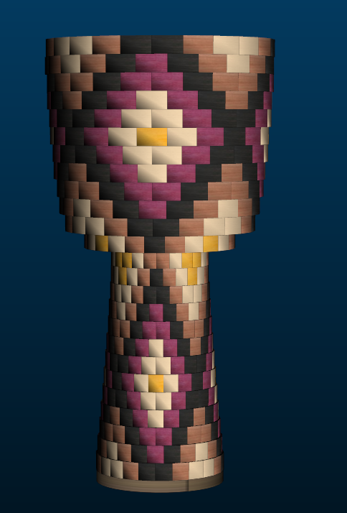
Small Djembe: 600 Piece Pattern 1 |  |  |  | Segments per Ring: 24 |  |  | Thickness:0.75 |  | Angle: 7.50
 | Board |  | Segment | Diameter |  | Species
Row | Width | Length | S.E.L. | Outer | Inner | Maple | Lgth | Purpl | Lgth | Black | Lgth | Cherr | Lgth | Yello | Lgth
1 | .00 | .0 | .000 | 5.5"
2 | 2.36 | 12.9 | .729 | 5.5" | 0.8" | 8 | 4.2 |  |  | 8 | 4.2 | 8 | 4.2
3 | 2.03 | 13.6 | .711 | 5.4" | 1.4" | 4 | 2.2 | 4 | 2.2 | 8 | 4.4 | 8 | 4.4
4 | 1.67 | 14.2 | .690 | 5.2" | 1.9" |  |  | 8 | 4.6 | 8 | 4.6 | 8 | 4.6
5 | 1.33 | 14.8 | .671 | 5.1" | 2.5" | 4 | 2.4 | 8 | 4.9 | 8 | 4.9 | 4 | 2.4
6 | 1.04 | 15.3 | .653 | 5" | 2.9" | 8 | 5 | 8 | 5 | 8 | 5
7 | .84 | 15.5 | .637 | 4.8" | 3.2" | 8 | 5.1 | 8 | 5.1 | 4 | 2.5 |  |  | 4 | 2.5
8 | .90 | 15.0 | .621 | 4.7" | 2.9" | 8 | 4.9 | 8 | 4.9 | 8 | 4.9
9 | 1.01 | 14.2 | .606 | 4.6" | 2.6" | 4 | 2.3 | 8 | 4.7 | 8 | 4.7 | 4 | 2.3
10 | 1.14 | 13.4 | .590 | 4.5" | 2.2" |  |  | 8 | 4.4 | 8 | 4.4 | 8 | 4.4
11 | 1.29 | 12.7 | .577 | 4.4" | 1.8" | 4 | 2 | 4 | 2 | 8 | 4.1 | 8 | 4.1
12 | 1.44 | 11.9 | .563 | 4.3" | 1.4" | 8 | 3.9 |  |  | 8 | 3.9 | 8 | 3.9
13 | 1.57 | 11.2 | .553 | 4.2" | 1.1" | 8 | 3.6 |  |  | 4 | 1.8 | 8 | 3.6 | 4 | 1.8
14 | 1.69 | 10.8 | .553 | 4.2" | 0.8" | 8 | 3.5 |  |  |  |  | 8 | 3.5 | 8 | 3.5
15 | 2.83 | 14.4 | .853 | 6.5" | 0.8" | 8 | 4.7 |  |  | 4 | 2.3 | 8 | 4.7 | 4 | 2.3
16 | 2.22 | 21.6 | 1.072 | 8.1" | 3.7" | 8 | 7.1 |  |  | 8 | 7.1 | 8 | 7.1
17 | 1.08 | 26.6 | 1.130 | 8.6" | 6.5" | 4 | 4.3 | 4 | 4.3 | 8 | 8.8 | 8 | 8.8
18 | .93 | 27.9 | 1.164 | 8.8" | 7" |  |  | 8 | 9.2 | 8 | 9.2 | 8 | 9.2
19 | .88 | 28.7 | 1.190 | 9" | 7.3" | 4 | 4.7 | 8 | 9.5 | 8 | 9.5 | 4 | 4.7
20 | .87 | 29.2 | 1.211 | 9.2" | 7.5" | 8 | 9.7 | 8 | 9.7 | 8 | 9.7
21 | .87 | 29.6 | 1.230 | 9.3" | 7.7" | 8 | 9.8 | 8 | 9.8 | 4 | 4.8 |  |  | 4 | 4.8
22 | .88 | 30.1 | 1.248 | 9.5" | 7.8" | 8 | 9.9 | 8 | 9.9 | 8 | 9.9
23 | .86 | 30.4 | 1.261 | 9.6" | 7.9" | 4 | 5 | 8 | 10.1 | 8 | 10.1 | 4 | 5
24 | .85 | 30.7 | 1.272 | 9.7" | 8" |  |  | 8 | 10.2 | 8 | 10.2 | 8 | 10.2
25 | .85 | 31.0 | 1.282 | 9.7" | 8.1" | 4 | 5.1 | 4 | 5.1 | 8 | 10.2 | 8 | 10.2
26 | 1.02 | 30.4 | 1.282 | 9.7" | 7.8" | 8 | 10.1 |  |  | 8 | 10.1 | 8 | 10.1
26 |  |  |  |  |  | 136 | 109.5 | 128 | 115.6 | 176 | 151.3 | 136 | 107.4 | 24 | 14.9

